Intro


James Paton (S1111175)
Computer Games (Software Development)

Mobile Platform Development (MHI322959)
Coursework Submission
Documented Testing

2020-04-01

TEST DATA
Due to the ever changing nature of the Traffic Scotland's RSS feeds, test data was uploaded to:
https://jamespaton.com/s/MPD_TrafficScotland_TestData.aspx
This created a consistent test environment.

This data can be accessed within the app by enabling the class variable enableTesting inside MainActivity.java

The following screenshot shows the details of the test data.

 | This data was used to provide a more rigorous test suite, allowing the application to be tested under more real-world conditions than the previous tests allowed.
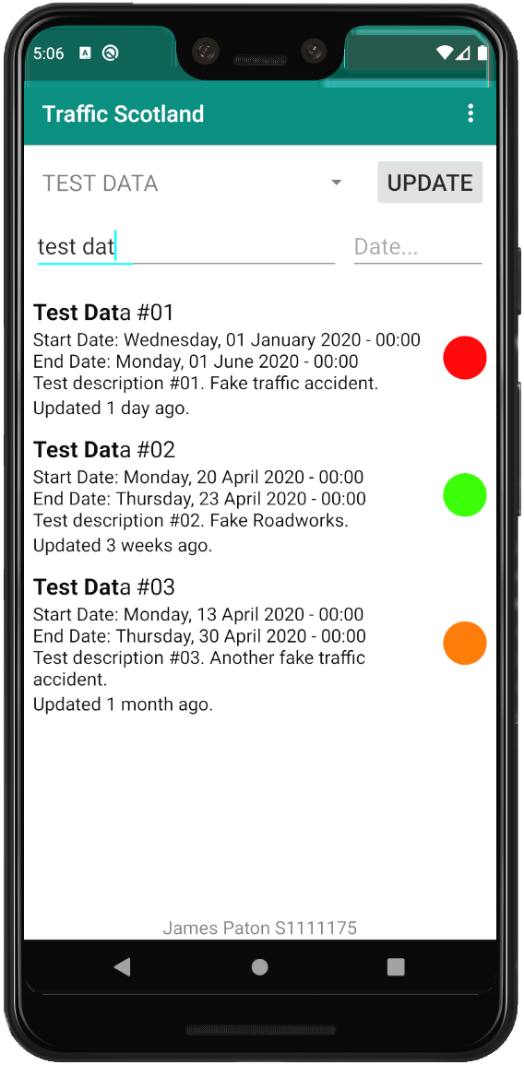
 |  | Search | Date | Test Data | Found, Expected | Found, Result | Bold, Expected | Bold, Result | Pass / Fail
 | Test 1 | "test dat" | [None] | Test Data #01 | Yes | Yes | "Test Dat" | "Test Dat" | Pass
 |  |  |  | Test Data #02 | Yes | Yes | "Test Dat" | "Test Dat" | Pass
 |  |  |  | Test Data #03 | Yes | Yes | "Test Dat" | "Test Dat" | Pass
 | Test 2 | "k" | [None] | Test Data #01 | Yes | Yes | "k" | "k" | Pass
 |  |  |  | Test Data #02 | Yes | Yes | "k", "k" | "k", "k" | Pass
 |  |  |  | Test Data #03 | Yes | Yes | "k" | "k" | Pass
 | Test 3 | "fake" | [None] | Test Data #01 | Yes | Yes | "Fake" | "Fake" | Pass
 |  |  |  | Test Data #02 | Yes | Yes | "Fake" | "Fake" | Pass
 |  |  |  | Test Data #03 | Yes | Yes | "fake" | "fake" | Pass
 | Test 4 | "acc" | [None] | Test Data #01 | Yes | Yes | "acc" | "acc" | Pass
 |  |  |  | Test Data #02 | No | No | [None] | [None] | Pass
 |  |  |  | Test Data #03 | Yes | Yes | "acc" | "acc" | Pass
 | Test 4 | "another" | 2020-04-14 | Test Data #01 | No | No | [None] | [None] | Pass
 |  |  |  | Test Data #02 | No | No | [None] | [None] | Pass
 |  |  |  | Test Data #03 | Yes | Yes | "another" | "another" | Pass
 | Test 5 | [None] | 2020-04-23 | Test Data #01 | Yes | Yes | [None] | [None] | Pass
 |  |  |  | Test Data #02 | Yes | Yes | [None] | [None] | Pass
 |  |  |  | Test Data #03 | Yes | Yes | [None] | [None] | Pass

 | This test data was created specifically to showcase the colour gradient representing the length of the incident
 | as well as the interpretation of the last updated date.

